1. Title Page
Project Name: Basket Analysis
Date: June 8, 2023
Analyst Name: Andrew Mueller

Contents: click on link below
Population Flow
Consistency checks
Wrangling steps
Column derivations
Visualizations
Recommendations

Data Citation:
Customer data, as well as the "prices" data, were both fabricated for the purpose of this project.
"The Instacart Online Grocery Shopping Dataset 2017", Accessed from https://www.kaggle.com/datasets/psparks/instacart-market-basket-analysis on 5/5/2023.

2. Population Flow
Title page

Population flow

Exclusion flag:
Condition: max_order < 5
Obervations to be removed: 1440295 observations
Final total count of order_products_all: 30964564 rows

4.6_orders_products_combined
Total: 32434489
4.6_mrg_part2
4.9_part1B

Total: 32404859
Total: 32404859

1.) The grey boxes in the first row of the population flow represent the original data sets as they were when you downloaded them. In the Total fields you need to add the count of the rows when you imported the data set into Jupyter.
2.) The second row of boxes (colored) represents the data sets after you manipulated them, e.g., removed missing values and duplicates. In the Total fields you need to add the count of the rows after conducting these operations. This offers a visual oveview of how the data flows throughout the data consistency checks.
3.) The third row, where also the arrows are coloured, represents the merges you performed between the datasets. In the Total fields you need to add the count of the rows in the merged datasets, so that you end up with the final dataset (in the red box). Keep in mind the final dataset should be without exclusions (based on the exclusion flag).

3. Consistency checks
 |  |  |  | Title page
Consistency checks

Dataset | Missing values | Missing values treatment | Duplicates
4.3_orders | 206209 missing values in 'days_since_prior_order' | No action taken as the null value indicates the customers first order placed with Instacart. | No duplicates discovered
4.3_products | 16 missing values in 'product_name' | Dropping the rows with missing values | 5 duplicate rows dropped
4.3_products | Several values in the "prices" column were unrealistically high, namely either $14,900 or $99,999. This was only discovered in Task 4.9. | Steps are detailed in notebook task 4.9, I replaced these 5127 prices with NaN.
4.6_orders_products_prior | No missing values |  | No duplicates discovered
4.9_customers | No missing values |  | No duplicates discovered

4. Wrangling steps
 |  |  |  |  | Title page
Wrangling steps

Columns dropped | Data imputation | Columns renamed | Columns' type changed | Comment/Reason
df_ords.drop(columns = ['eval_set']) |  |  |  | column unneccesary for analysis
 |  | df_ords.rename(columns = {'order_dow' : 'orders_day_of_week'}, inplace = True) |  | to make column easier to understand
 |  |  | df_ords['order_id'] = df_ords['order_id'].astype('str') | to reduce cost when running describe function
 |  |  | df_ords['user_id'] = df_ords['user_id'].astype('str') | to reduce cost when running describe function
 |  | df_cust.rename(columns = {'First Name':'first_name'} |  | for consistency use snake script and lower case
 |  | 'Surnam':'surname'
 |  | 'Gender':'gender'
 |  | 'STATE':'state'
 |  | 'Age':'age'
'first_name' |  |  |  | data privacy
'surname' |  |  |  | data privacy
 | 'prices' |  |  | prices above $100 were changed to null, condition applied: loc[ords_prods_merge['prices'] >100, 'prices'] = np.nan

5. Column derivations
 |  |  |  | Title page

Column derivations and aggregations

Dataset | New column | Column/s it was derived from | Conditions |  | Column name | Frequencies of conditions
4.6_mrg_part2 | busiest_day' | 'orders_day_of_week' | Busiest day' == 0 "Least busy" == 4 "Regularly busy" else |  | busiest_day' | Regularly busy 22416875 Busiest day 6204182 Least busy 3783802
4.6_mrg_part2 | price_range_loc' | 'prices' | Low-range product' <= 5 'Mid-range product' > 5 and <= 15 'High range' else |  | price_range_loc' | Mid-range 21860860 Low-range 10126321 High-range 417678
4.6_mrg_part2 | 'busiest_period_of_day' | 'order_hour_of_day | Most orders' >= 10 and value <= 15 'Fewest orders' >= 0 and value <= 5 'Average orders' else |  | 'busiest_period_of_day' | Average orders 21177765 Most orders 10630766 Fewest orders 596328
4.6_mrg_part2 | 'busiest_days' | orders_days_of_week | Busiest days == 0 or == 1 "Least busy days" == 4 or ==3 "Regularly busy" else |  | 'busiest_days' | Regularly busy 12916111 Busiest days 11864412 Least busy days 7624336
4.6_mrg_part2 | 'max_order' | user_id', 'order_number' | groupby(['user_id'])['order_number'].transform(np.max) |  | max_order' | MIN 1 MAX 99 MEAN 33
4.6_mrg_part2 | 'loyalty_flag' | 'max_order' | Loyal customer' > 40 'Regular customer' <= 40 and > 10 'New customer' <= 10 |  | 'loyalty_flag' | Regular customer 15876776 Loyal customer 10284093 New customer 6243990
4.6_mrg_part2 | 'avg_price' | user_id', 'prices' | groupby(['user_id'])['prices'].transform(np.average) |  | 'avg_price' | MIN 1 MAX 25 MEAN 1.20
4.6_mrg_part2 | 'spending_flag' | 'avg_price' | loc[df['avg_price'] < 10, 'spending_flag'] = 'Low spender' loc[df['avg_price'] >= 10, 'spending_flag'] = 'High spender' |  | 'spending_flag' | Low spender 31770646 High spender 634213
4.6_mrg_part2 | 'median_dspo' | user_id', 'days_since_prior_order' | groupby(['user_id'])['days_since_prior_order'].transform(np.median) |  | 'median_dspo' | MIN 0 MAX 30 MEAN 10
4.6_mrg_part2 | 'frequency_flag' | 'median_dspo' | Non-frequent customer' > 20 'Regular customer' <= 20 and >= 10 'Frequent customer' <= 10 |  | 'frequency_flag' | Frequent customer 21559853 Regular customer 7208564 Non-frequent customer 3636437
4.9_part1B | 'region' | 'state' | Northeast' = 'Maine','New Hampshire', 'Vermont', 'Massachusetts','Rhode Island','Connecticut','New York','Pennsylvania','New Jersey' 'Midwest' = 'Wisconsin','Michigan','Illinois','Indiana','Ohio','North Dakota','South Dakota','Nebraska','Kansas','Minnesota','Iowa','Missouri' 'South' = 'Delaware','Maryland','District of Columbia','Virginia','West Virginia','North Carolina','South Carolina','Georgia','Florida','Kentucky','Tennessee','Mississippi',' Alabama','Oklahoma','Texas','Arkansas','Louisiana' 'West' = else |  | 'region' | South 10791885 West 8292913 Midwest 7597325 Northeast 5722736
4.9_part1B | 'age_group' | age' | Less than 30' < 30 '30-39 years' >= 30 and value < 40 '40-49 years' >= 40 and value < 50 '50-59 years' >= 50 and value < 60 '60-69 years' >= 60 and value < 70 '70+ years' else |  | age' | Less than 30 6090441 40-49 years 5109237 30-39 years 5073751 50-59 years 5064175 60-69 years 4987264 70+ years 6079991
4.9_part1B | 'wealth_status' | 'income' | based on statistical quartiles: 'lower' <= 6.677000e+04 'lower-middle' > 6.677000e+04 and value <= 9.630400e+04 'upper-middle' > 9.630400e+04 and value <= 1.267640e+05 'upper' else |  | 'wealth_status' | upper 8312697 lower-middle 8030833 lower 8030749 upper-middle 8030580
4.9_part1B | 'lifestyle' | 'n_dependents' | independent' == 0 'caregiver' != 0 |  | 'lifestyle' | caregiver 24307356 independent 8097503
4.9_part1B | 'meat_purchase' | 'department_id' | where the 'department_id' == 12, user_id = 'meat_consumer' all other user_id's = 'meatless_consumer' |  | 'meat_purchase' | meat_consumer 23762619 meatless_consumer 8642240
4.9_part1B | 'order_activity_flag' | 'max_order' | Low order activity customer' < 5 'High order activity customer' >= 5 |  | 'order_activity_flag' | High order activity customer 30964564 Low order activity customer 1440295

6. Visualizations
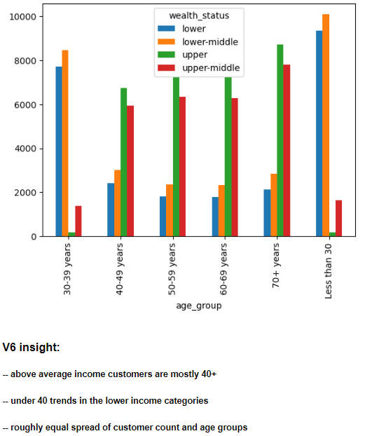
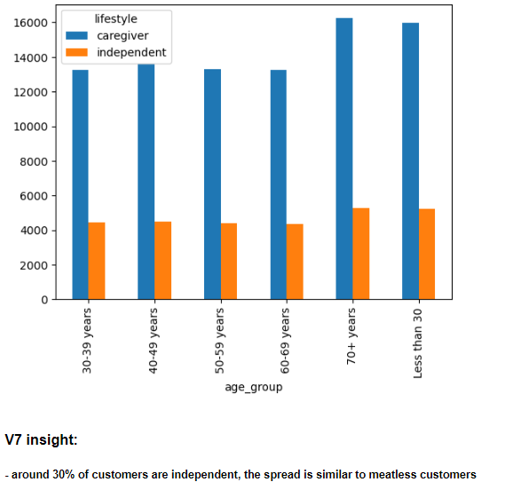
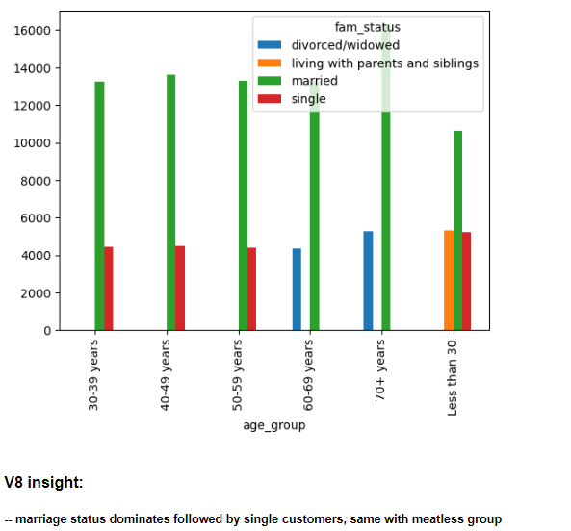
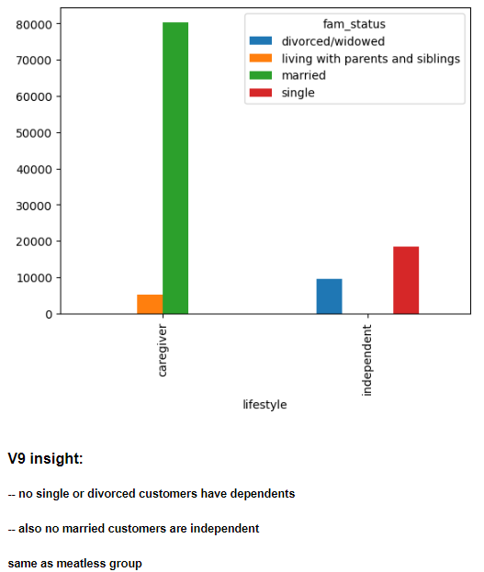
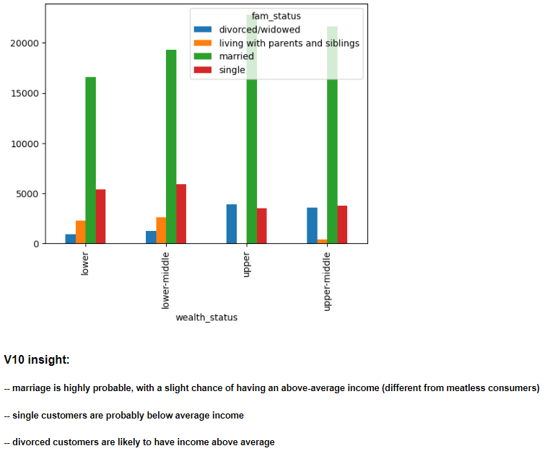
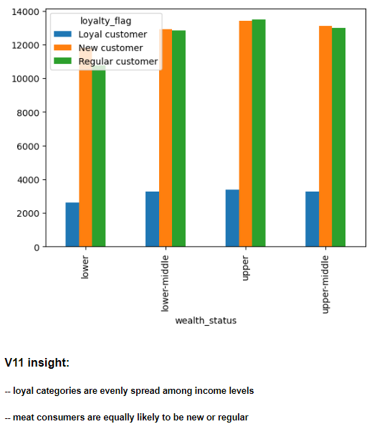
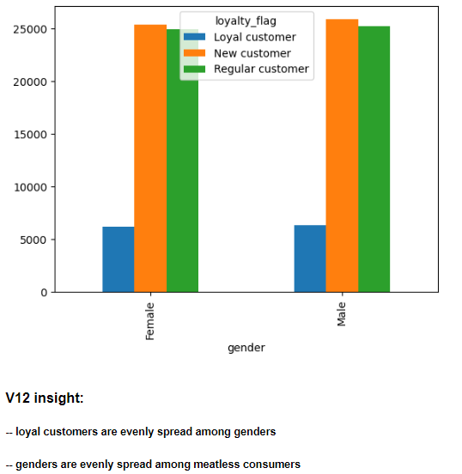
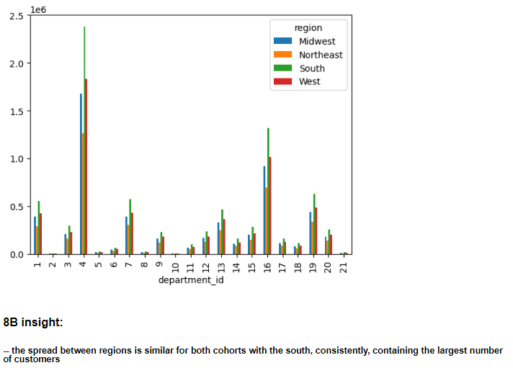
 |  |  |  |  | Title page

Visualisations

In this tab you should include all the visualtions from Exercises 4.9 and 4.10, alongside the questions from the project brief that they answer. Include any commentary on the relationship between different variables.

Charts created for variables during cleaning and exploratory data analysis

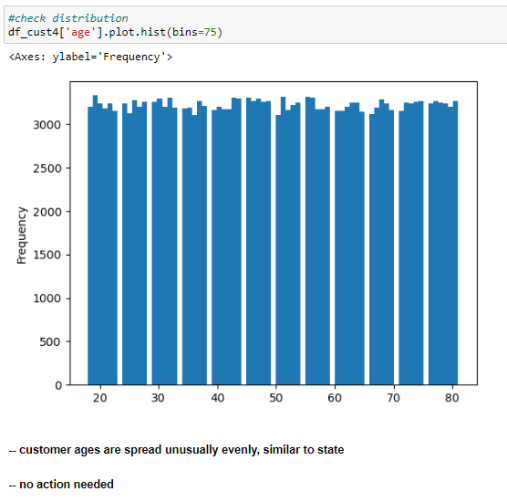
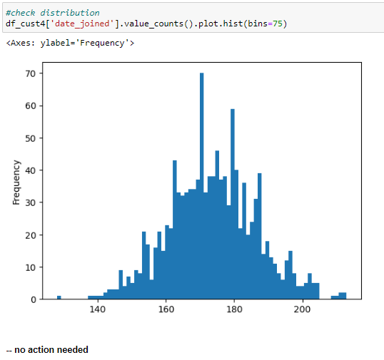
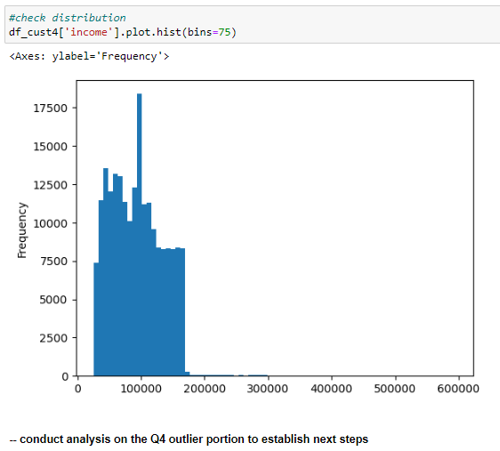

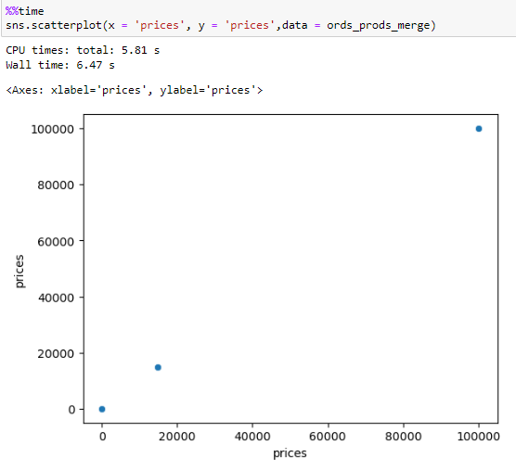
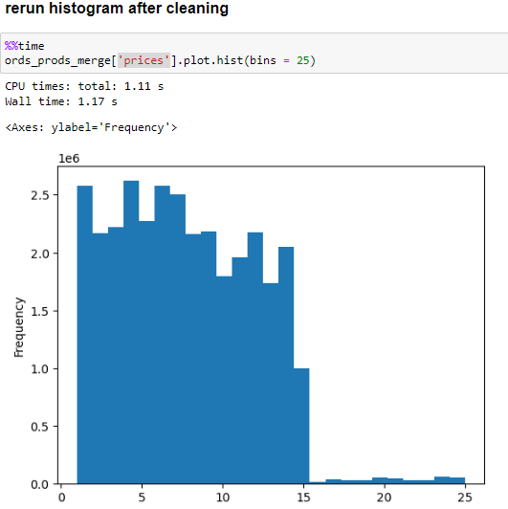
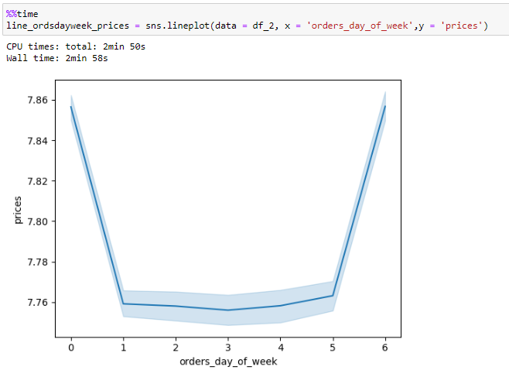
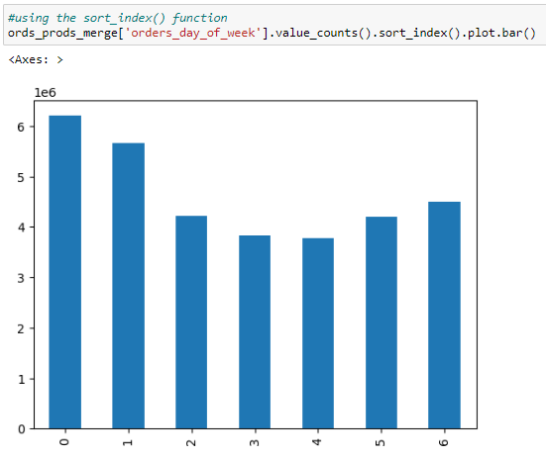

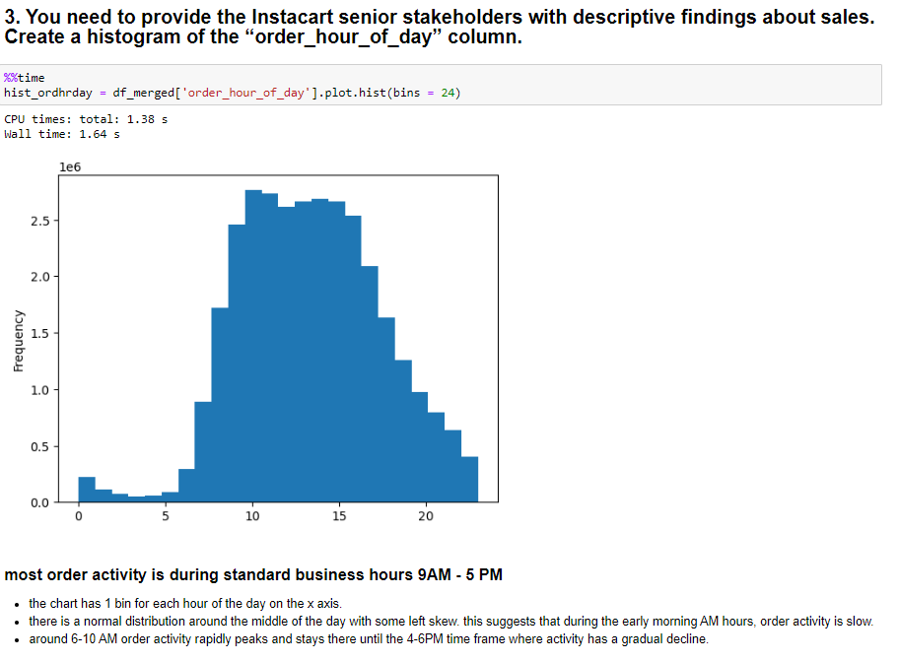

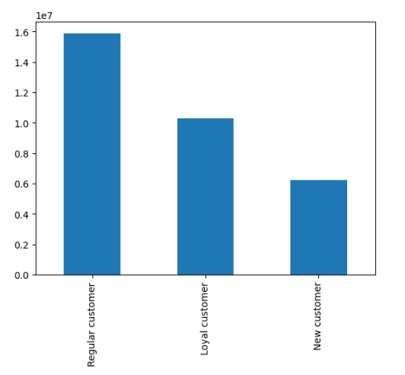

Business Requirement Key Question # 2
They also want to know whether there are particular times of the day when people spend the most money, as this might inform the type of products they advertise at these times.
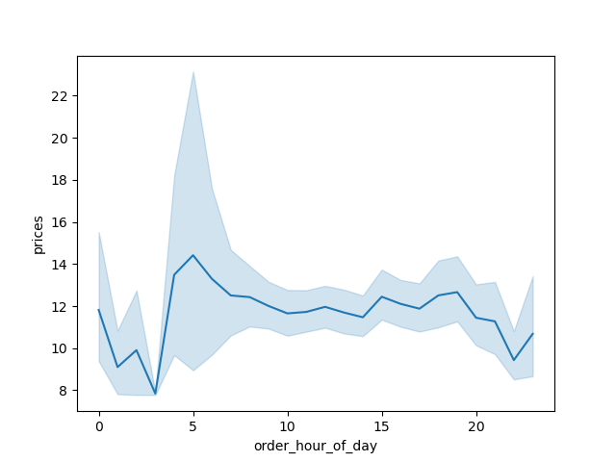

Insight: Morning hours have strongest correlation between prices and hour of day.
Prices spike to around $14 between 3AM and 5AM which tapers slightly starting at morning rush hour (7AM-8AM) to around $12 and holds steadily until after 10PM

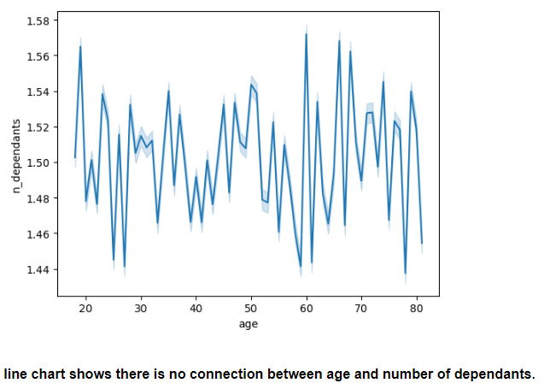

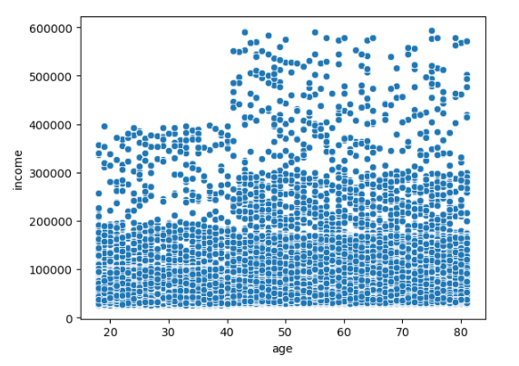

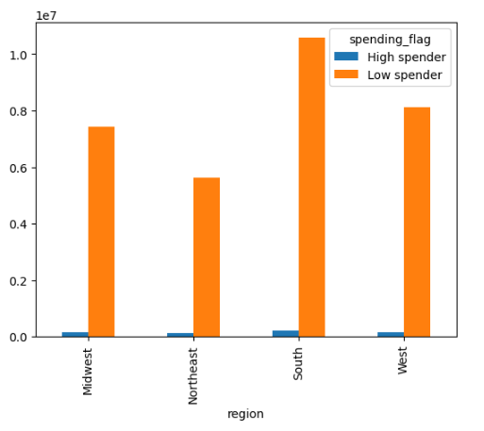

 |  |  |  |  |  |  | dependents and income
 | age and income | age and dependents
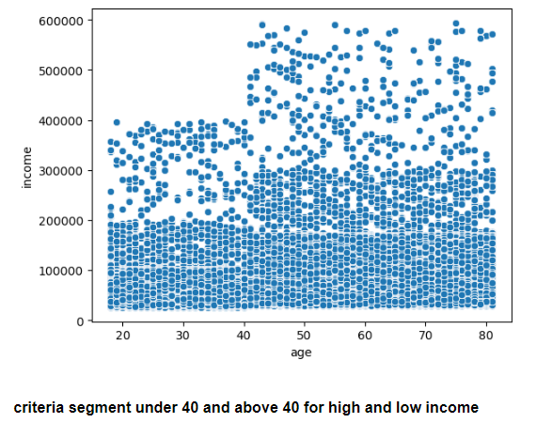
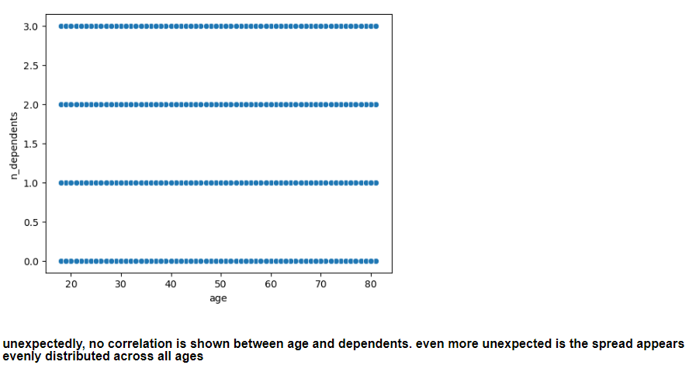
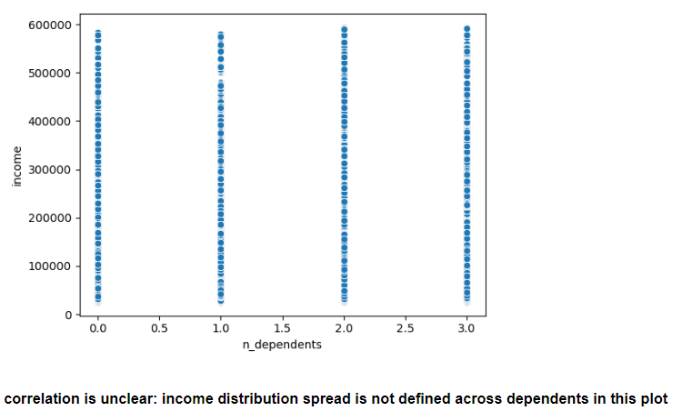

 | age |  |  | income |  |  |  | dependents |  | department id
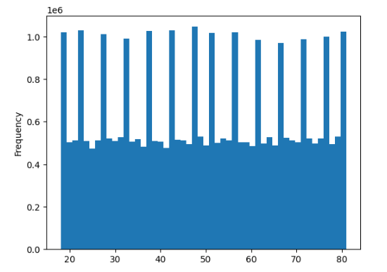
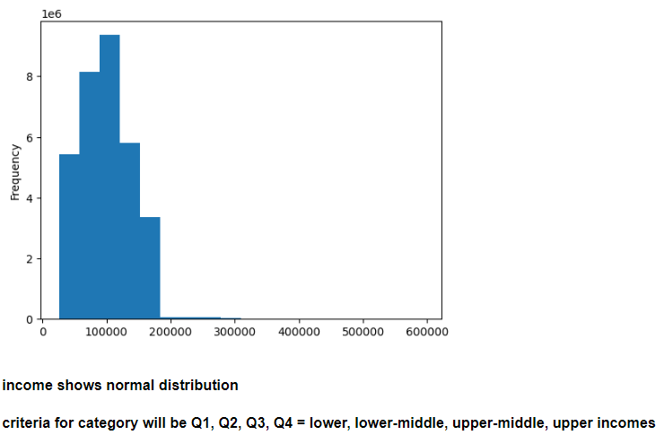
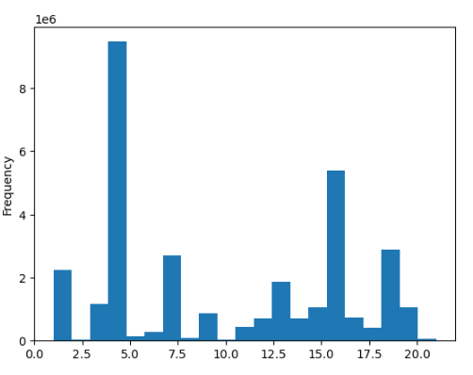
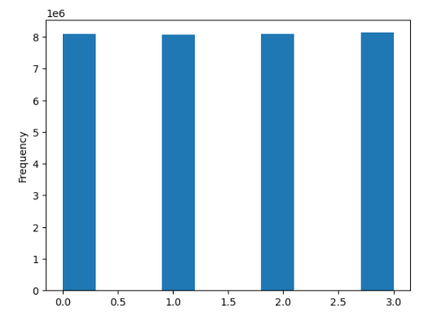

Meatless customer profile visualization

 | age group and weath status |  | age group and lifestyle |  |  | age group and family status |  |  | lifestyle and family status |  | wealth and family status | wealth and loyalty |  | gender and loyalty |  | region and department
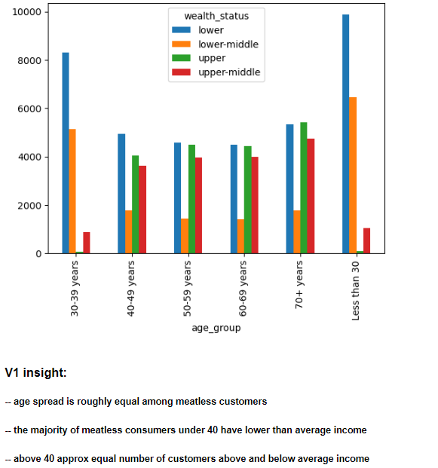
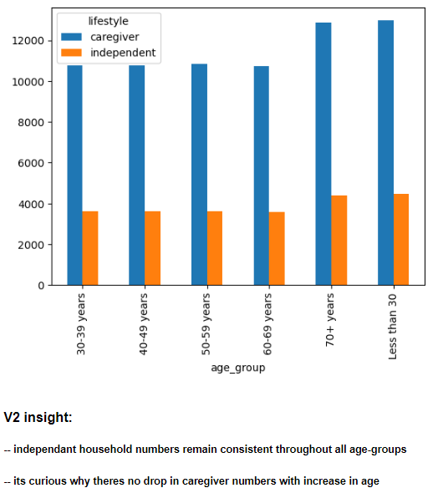
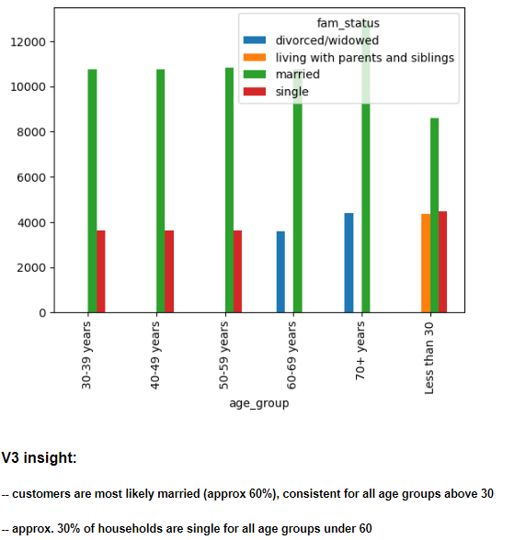
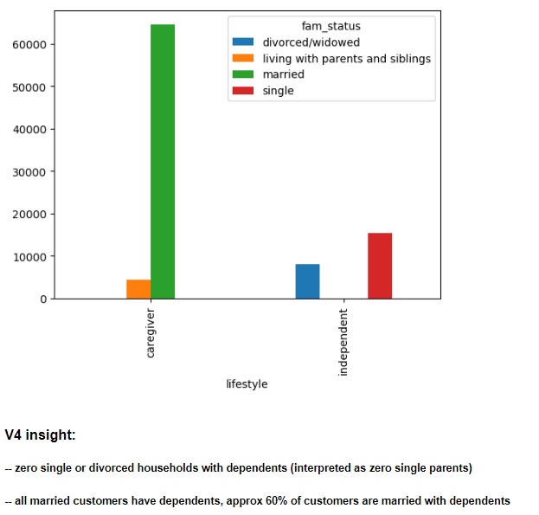
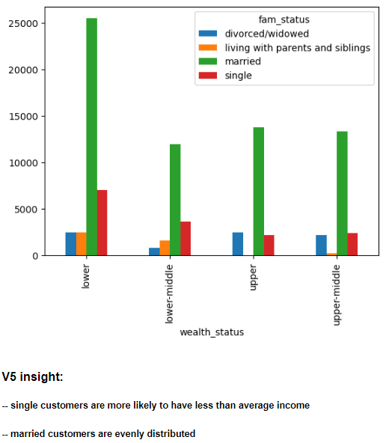
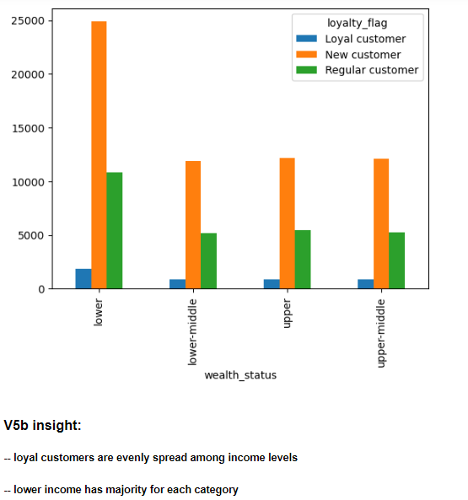
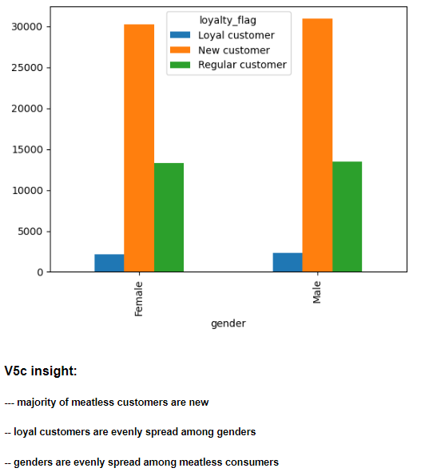
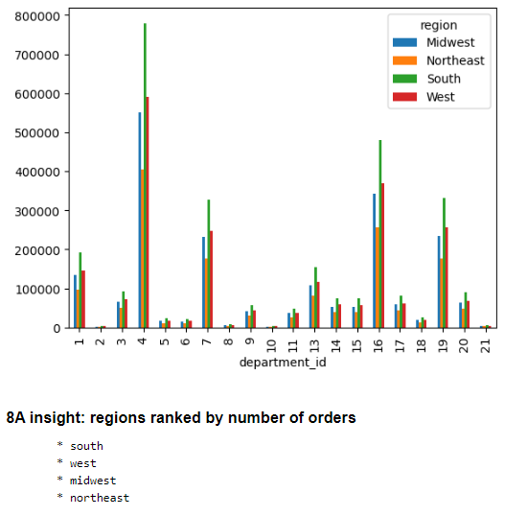

Meat consuming customer profile visualization

 | age group and weath status |  | age group and lifestyle |  |  | age group and family status |  |  | lifestyle and family status |  | wealth and family status |  | wealth and loyalty |  | gender and loyalty |  | region and department

7. Recommendations
 |  |  |  |  |  | Title page

Recommendations

In this tab you should include any recommendations you would made to Instcart in terms of their marketing strategy based on the questions posed in the brief. Every key question has been covered in the Tasks of the Exercises - here you need to add an item - a visualisation or table/crosstable that is showing the answer in the data, acompanied by a comment from you. Please, list the questions below and add the answer underneath.

Question | Answer
The sales team needs to know what the busiest days of the week and hours of the day are (i.e., the days and times with the most orders) in order to schedule ads at times when there are fewer orders. | * The 6 hour range identified as the 'busiest hours of the day' falls during traditional buiness operation hours. * While Saturday and Sunday are busiest, the spread was not significant among the weekdays. * Instacart should consider advertisements during weekdays before and after standard business hours (9AM-5PM)
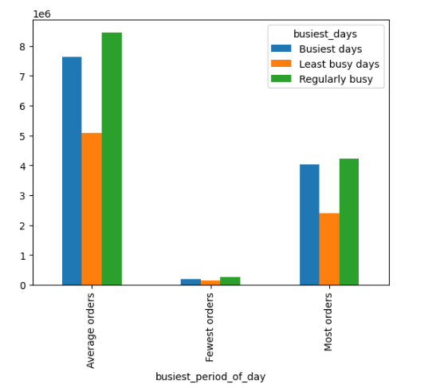 | Hours of the day Average orders 48% 5AM-10AM, 4PM-12PM Most orders 50% 10PM-4PM Fewest orders 2% Days of the Week Regularly busy 40% Busiest days 37% Saturday and Sunday Least busy days 23% Tuesday and Wedndesday
Question | Answer
They also want to know whether there are particular times of the day when people spend the most money, as this might inform the type of products they advertise at these times. | * The data shows that AM prior to typical commute times has strongest correlation with pricing. * Targeting ads during the morning hours may attract new customers interested in high priced items.

Question | Answer

Instacart has a lot of products with different price tags. Marketing and sales want to use simpler price range groupings to help direct their efforts. | * Three pricing categories were developed * On average customers purchase items under $10 * Additionally the range of prices was found to contain errors, see documentation in wrangling.
New tags with spread of inventory Max price $25 | High Spender $10+
Low-range $0-$5 | 31%
Mid-range $5-$15 | 67%
High-range $15+ | 1%

Question | Answer
Are there certain types of products that are more popular than others? The marketing and sales teams want to know which departments have the highest frequency of product orders. | The produce department has the most activity clearly surpasing the demand for second popular department dairy.
 | 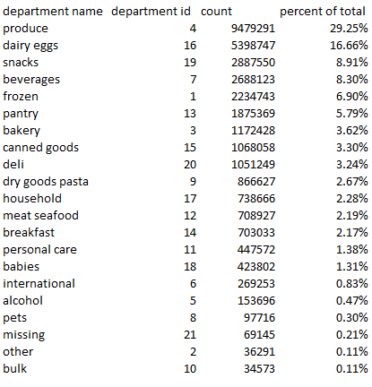

Question | Answer
The marketing and sales teams are particularly interested in the different types of customers in their system and how their ordering behaviors differ. For example: What’s the distribution among users in regards to their brand loyalty (i.e., how often do they return to Instacart)? | * Meat purchasing customers trend more loyal than meatless regardless of wealth status or gender. * However, meatless customers are more likely to be new (placing less than 10 orders) which will need to be tracked for changes.
Meat purchasing consumers |  |  | Meatless purchasing consumers |  | Loyalty spread of all customers

Question | Answer

Are there differences in ordering habits based on a customer’s loyalty status? Are there differences in ordering habits based on a customer’s region? | * The preferences among the various profiles studied (meat purchasing, non-meat purchasing, and regional) show little spread. * Customers consistently order from produce and dairy/egg deparments the most. * Recommendation is to unpack the trend: Is the produce quality from Instacart driving this?

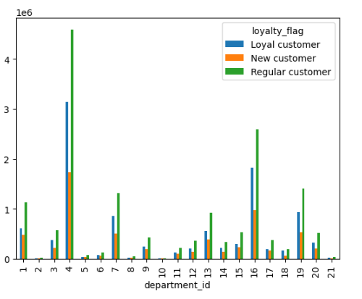

Question | Answer
Is there a connection between age and family status in terms of ordering habits? | * Departmental preferences for all profiles observed follow the same trend with produce and dairy being the most popular. * There is even spread among customers' ages regarding family status and number of dependents. * Meat purchasing households are more likely to be upper income than meatless households.
 |  | meatless customer |  | meat purchasing customer
 | 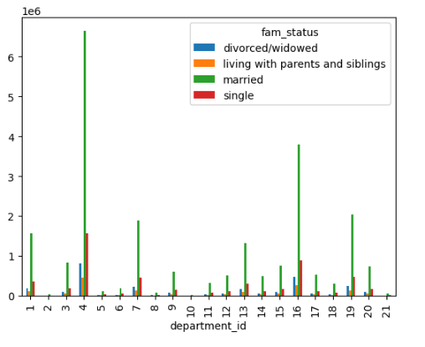
Question | Answer
What different classifications does the demographic information suggest? Age? Income? Certain types of goods? Family status? | * Approximately 60% of Instacart customers are married and have dependents. Of those, the meat consuming households are more likely to be upper income. * All single and divorced households have ZERO dependents.
meatless consumers | meat purchasing customers | ALL married customers have dependents

Question | Answer
What differences can you find in ordering habits of different customer profiles? Consider the price of orders, the frequency of orders, the products customers are ordering, and anything else you can think of. | * The meat purchasing profile revealed a significant number of divorced customers in the above average wealth status. * Divorced customers are age's 60+ * Meatless customer profile contains large portion of lower income families.
meatless consumer | meat consumer

